Indices

 | Iraq Stock Exchange
 | Bulletin No (204)

 | ISX Trading Indices of Sunday 16/11/2025

 | Traded Volume and OTC |  | 9,057,399,987 |  | Traded Value and OTC |  | 1,355,065,530 |  | Traders | 853

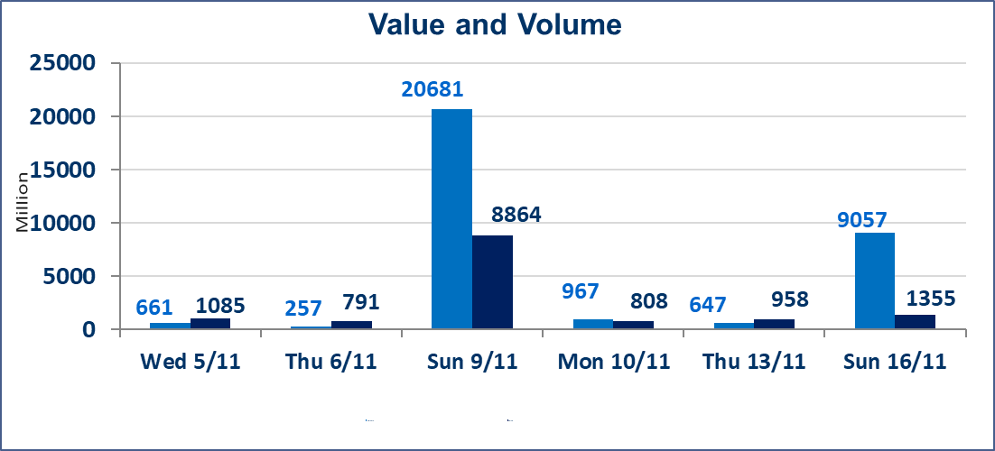
 | ISX Index 60 |  |  | 957.96 | ISX Index 15 |  |  | 1181.26
 | Previous ISX Index60 |  |  | 960.15 | Previous ISX Index15 |  |  | 1184.33
 | Change % |  |  | -0.23 | Change % |  |  | -0.26
 | Change |  |  | -2.19 | Change |  |  | -3.07

 | Listed Companies | 104 | OTC | 11 | Non Traded listed | 43 | OTC | 8
 | Traded Listed Companies | 44 | OTC | 1 | Higher Companies |  |  | 7
 | GAM Companies |  |  | 3 | Lower Companies |  |  | 10
 | Suspended Companies |  |  | 14 | Suspended Companies OTC |  |  | 1
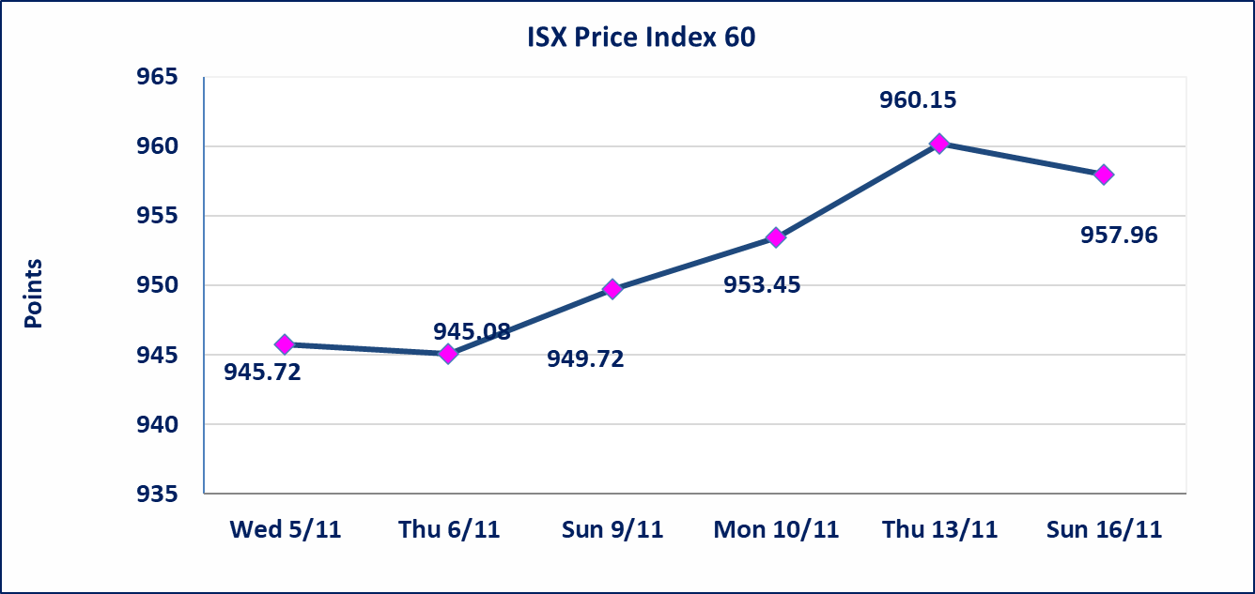
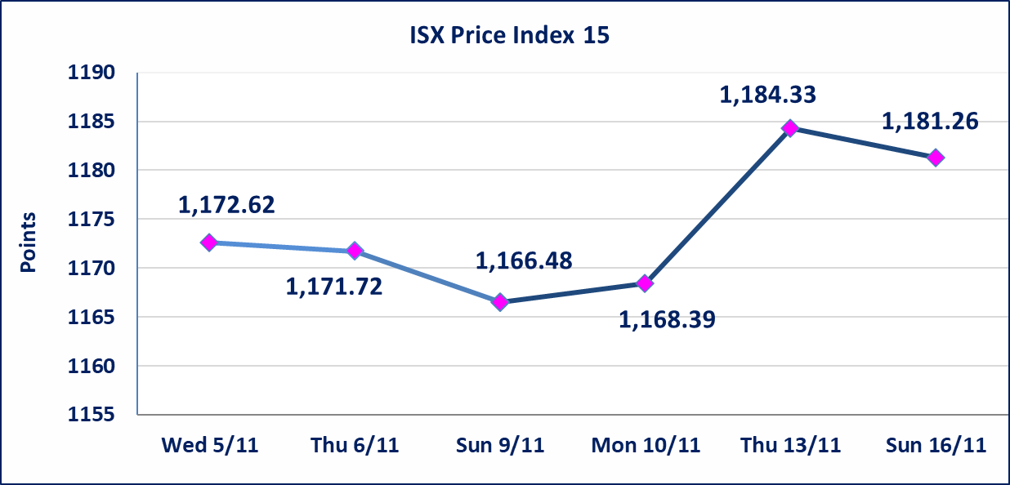

 | special orders | Baraem Al Khair Company executed a deliberate cross order on the shares of Middle East Bank Company with a number of shares (8,500,000,000) shares with a value of (510,000,000) dinars, during the additional session time (after 1 pm) in accordance with the procedures for executing large transactions.
Al-Alwiya P.O . 3607 Mobile: 07711211522 - 07270094594 - 07834000034 E-mail: info-isx@isx-iq.net Web site:www.isx-iq.net

Top 5
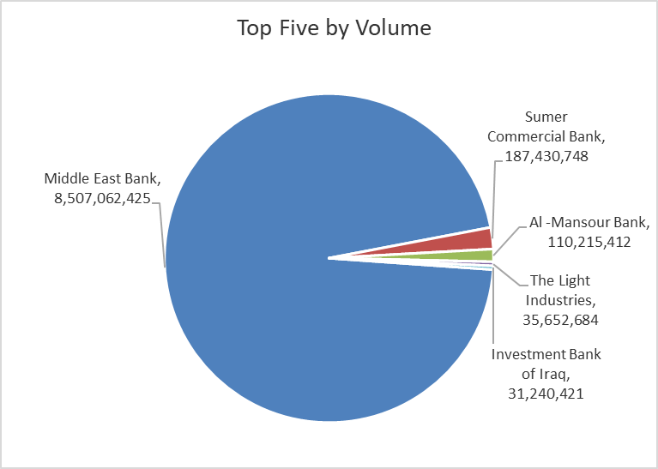
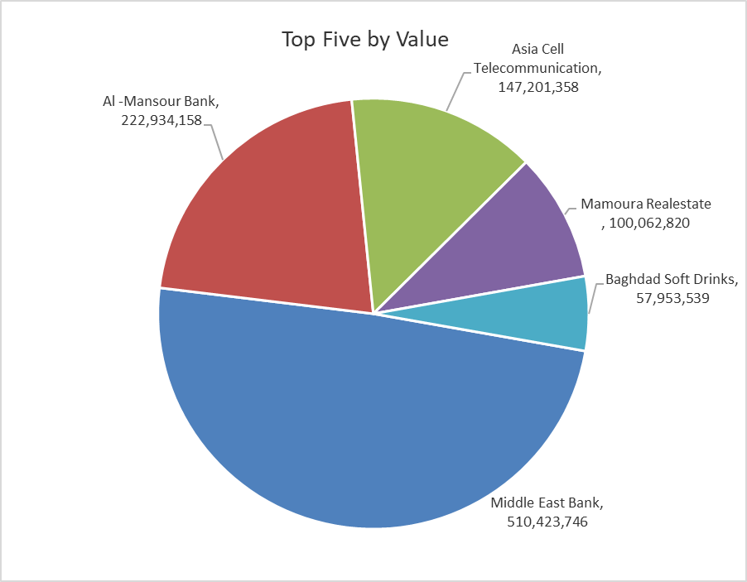
ISX top ganing and losing companies
Sunday 16/11/2025
Gainers |  |  |  | Losers
Company Name | Closing Price | Change (%) | Traded Volume | Company Name | Closing Price | Change (%) | Traded Volume
General Transportation | 2.010 | 4.69 | 2,571,776 | Al-Qabidh Islamic Bank | 0.210 | -12.50 | 1,000,000
Electronic Industry | 2.030 | 4.64 | 1,638,809 | Iraqi Date Processing and Marketing | 2.630 | -9.31 | 776,283
Modern Construction Materials | 0.720 | 4.35 | 75,103 | International Islamic Bank | 0.180 | -5.26 | 1,593,849
The Light Industries | 1.220 | 3.39 | 35,652,684 | Al-Ameen Estate Investment | 1.500 | -3.85 | 814
Baghdad -Iraq Transportation | 30.000 | 2.39 | 1,409,102 | Gulf Commercial Bank | 0.280 | -3.45 | 30,635,111

The most active companies in term of traded volume and value

Traded Volume |  |  |  | Traded Value
Company Name | Closing Price | Change (%) | Traded Volume | Company Name | Closing Price | Change (%) | Traded Value
Middle East Bank | 0.060 | 0.00 | 8,507,062,425 | Middle East Bank | 0.060 | 0.00 | 510,423,746
Sumer Commercial Bank | 0.110 | 0.00 | 187,430,748 | Al -Mansour Bank | 2.030 | 0.00 | 222,934,158
Al -Mansour Bank | 2.030 | 0.00 | 110,215,412 | Asia Cell Telecommunication | 13.030 | -0.53 | 147,201,358
The Light Industries | 1.220 | 3.39 | 35,652,684 | Mamoura Realestate | 3.600 | -1.91 | 100,062,820
Investment Bank of Iraq | 0.210 | 0.00 | 31,240,421 | Baghdad Soft Drinks | 5.060 | 0.20 | 57,953,539

OTC

Iraq Stock Exchange

Sunday 16/11/2025
OTC Platform Trading Bulletin No (204)
Company Name | Code | highest price | lowest price | Average price | No.of Trades | Traded Volume | Traded Value
Banks Sector
Al-Warka Bank | BWAI | 0.090 | 0.090 | 0.090 | 1 | 10,000,000 | 900,000
Total Of Banks Sector |  |  |  |  | 1 | 10,000,000 | 900,000
Total |  |  |  |  | 1 | 10,000,000 | 900,000

Not Trading OTC Companies
Company Name |  |  | Code |  | Previous Average price
Banks Sector
Hammurabi Commercial Bank |  |  | BHAM |  | ـــــــــــــــــــــــــــــــــــ
Money Service Sector
Rabee Securities |  |  | FRSE |  | 9.500
Karmal Brokerage |  |  | FKSX |  | 10.000
Ishtar Gate for e-Paymant |  |  | FISH |  | 1.000
Sama Baghdad Exchange |  |  | FSBE |  | ـــــــــــــــــــــــــــــــــــ
Iraqi Deposit Insurance Corporation |  |  | FIDI |  | ـــــــــــــــــــــــــــــــــــ
Insurance Sector
Shatt Al Arab Insurance |  |  | NSHA |  | 1.000
Dilina Insurance Company |  |  | NDIL |  | ـــــــــــــــــــــــــــــــــــ

Non Iraqis

Iraq Stock Exchange
Non Iraqis' Bulletin Sunday Nov 16 2025
Regular Market

Non Iraqi Trading of Regular Market (Buy)
Company Names | Code | No.of trades | Traded Shares | Trading Volume
Banks Sector
National Bank Of Iraq | BNOI | 5 | 5,000,000 | 23,410,000
Total Bank sector |  | 5 | 5,000,000 | 23,410,000
Grand Total |  | 5 | 5,000,000 | 23,410,000

Non Iraqi Trading of Regular Market (Sell)
Company Names | Code | No.of trades | Traded Shares | Trading Volume
Banks Sector
Al-Mansour Bank | BMNS | 53 | 72,066,510 | 145,719,499
Total Bank sector |  | 53 | 72,066,510 | 145,719,499
Grand Total |  | 53 | 72,066,510 | 145,719,499

Non Iraqi Trading of Second Market (BUY)
Company Names | Code | No. of trades | Traded Volume | Traded Value
Banks Sector
International Islamic Bank | BINT | 1 | 1,515,373 | 272,767
Total Bank sector |  | 1 | 1,515,373 | 272,767
Grand Total |  | 1 | 1,515,373 | 272,767

